Example
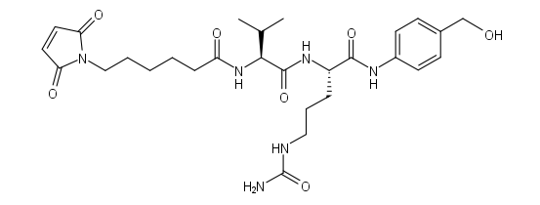
Example case: a generic Trastuzumab IgG1-based ADC conjugated via maleimido-vc-PABC-MMAE
Please insert these values in Deconvoluted Mass finder.py GUI
 |  | Comment
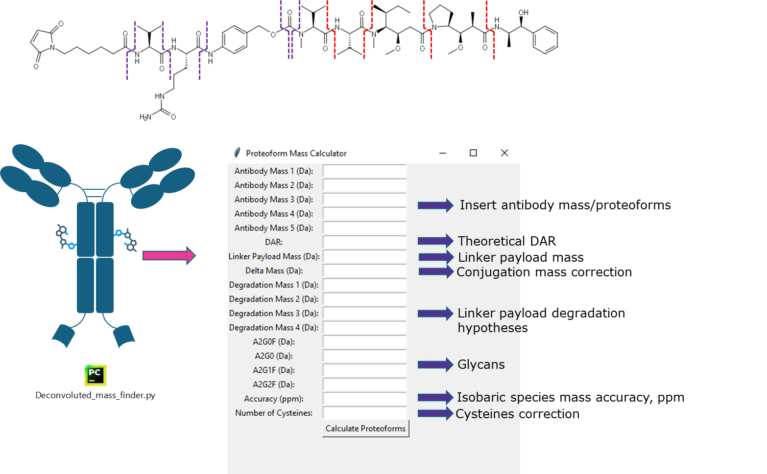
Antibody Mass 1 (Da): | 145617.72 | IgG1 average MW
Antibody Mass 2 (Da): | 145489.55 | IgG1 -1Lys HC C-clipping
Antibody Mass 3 (Da): | 145361.38 | IgG1 -2Lys HC C-clipping
Antibody Mass 4 (Da): | 145247.27 | IgG1 -2GlyLys HC C-clipping
Antibody Mass 5 (Da): | 145600.71 | IgG1 -1pyroQ HC N-terminus
DAR | 2 | Insert the highest DAR theoretically present in the sample, based on conjugation type (it will calculate DAR species from 4 to 0)
Linker Payload Mass (Da): | 1316.65 | Insert intact linker payload average mass
Delta Mass (Da) | 0 | 17.03052 | ammonia loss for Transglutaminase conjugation, no delta mass for cysteines addition
Degradation Mass 1 (Da): (Linker-specific) | 211.217 | Insert degradation mass 1 w/o delta mass correction
Degradation Mass 2 (Da): (Linker-specific) | 310.35 | Insert degradation mass 2 w/o delta mass correction
Degradation Mass 3 (Da): (Linker-specific) | 467.523 | Insert degradation mass 3 w/o delta mass correction
Degradation Mass 4 (Da): (Linker-specific) | 554.648 | Insert degradation mass 4 w/o delta mass correction
Degradation Mass 5 (Da): (Linker-specific) | 572.663 | Insert degradation mass 5 w/o delta mass correction, put zero if no other modifications on linker payload are hypotesized
A2G0F (Da): | 1445.32
A2G0 (Da): | 1299.18
A2G1F (Da): | 1607.46
A2G2F (Da): | 1769.6
Accuracy (ppm): | 5
Number of Cysteines: | 32 | Number of total cysteines involved in disulphide bond/ linker payload conjugation

Amino acid loss (for heavy chain C-clipping proteoforms)
UWPR
amino acid | code | abbrev | composition | mono mass | avg mass
glycine | G | GLY | C2H3NO | 57.02146 | 57.05
alanine | A | ALA | C3H5NO | 71.03711 | 71.08
serine | S | SER | C3H5NO2 | 87.03203 | 87.08
proline | P | PRO | C5H7NO | 97.05276 | 97.12
valine | V | VAL | C5H9NO | 99.06841 | 99.13
threonine | T | THR | C4H7NO2 | 101.04768 | 101.10
cysteine | C | CYS | C3H5NOS | 103.00918 | 103.14
leucine | L | LEU | C6H11NO | 113.08406 | 113.16
isoleucine | I | ILE | C6H11NO | 113.08406 | 113.16
asparagine | N | ASN | C4H6N2O2 | 114.04293 | 114.10
aspartic acid | D | ASP | C4H5NO3 | 115.02694 | 115.09
glutamine | Q | GLN | C5H8N2O2 | 128.05858 | 128.13
lysine | K | LYS | C6H12N2O | 128.09496 | 128.17
glutamic acid | E | GLU | C5H7NO3 | 129.04259 | 129.11
methionine | M | MET | C5H9NOS | 131.04048 | 131.20
histidine | H | HIS | C6H7N3O | 137.05891 | 137.14
phenylalanine | F | PHE | C9H9NO | 147.06841 | 147.17
selenocysteine | U | SEC | C3H5NOSe | 150.95363 | 150.31
arginine | R | ARG | C6H12N4O | 156.10111 | 156.19
tyrosine | Y | TYR | C9H9NO2 | 163.06333 | 163.17
tryptophan | W | TRP | C11H10N2O | 186.07931 | 186.21
pyrrolysine | O | PYL | C12H19N3O2 | 237.14773 | 237.30

element | code | mono mass | avg mass
Hydrogen | H | 1.00783 | 1.00794
Carbon | C | 12.00000 | 12.01070
Nitrogen | N | 14.00307 | 14.00670
Oxygen | O | 15.99491 | 15.99940
Phosphorus | P | 30.97376 | 30.97376
Sulphur | S | 31.97207 | 32.06500
Selenium | Se | 79.91652 | 79.96000
proton | H+ | 1.00728 | 1.00739

 | glycan | mono mass | avg mass
 | A2G0F | 1444.5339 | 1445.32
 | A2G1F | 1606.5867 | 1607.46
 | A2G2F | 1768.6395 | 1769.60
 | A2G0 | 1298.476 | 1299.18

Intact linker payload
Molecular weight: | 1316.65
Exact molecular weight: | 1315.7791617
Formula: C68H105N11O15

Degradation Mass 1 (Da):
Molecular weight: | 211.217
Exact molecular weight: | 211.0844579
Formula: C10H13NO4
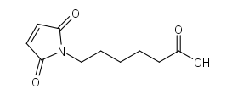

Degradation Mass 2 (Da):

Molecular weight: | 310.35
Exact molecular weight: | 310.15287182
Formula: C15H22N2O5

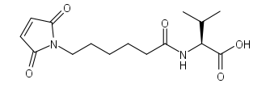

Degradation Mass 3 (Da):
Molecular weight: | 467.523
Exact molecular weight: | 467.23799842
Formula: C21H33N5O7

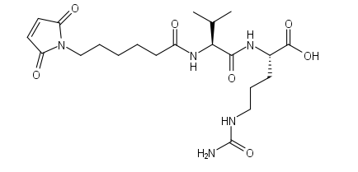

Degradation Mass 4 (Da):
Molecular weight: | 554.648
Exact molecular weight: | 554.28528297
Formula: C28H38N6O6
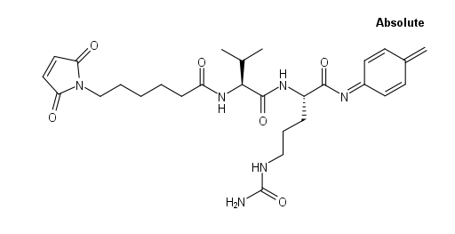

Degradation Mass 5 (Da):
Molecular weight: | 572.663
Exact molecular weight: | 572.29584765
Formula: C28H40N6O7

